HRV
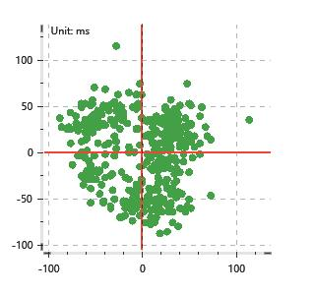
Data Info
 | Recording | 正式实验10
 | Subject | 张海硕
 | Create Time | 2023-11-25 15:12:45.808
 | Data Name | Chest1 ECG
 | Data Type | ECG
 | Sample Rate | 512
 | Segment | 后静息态
 | Start Time | 0:57:39
 | End Time | 1:02:39
 | Duration | 0:05:00

Replay Chart
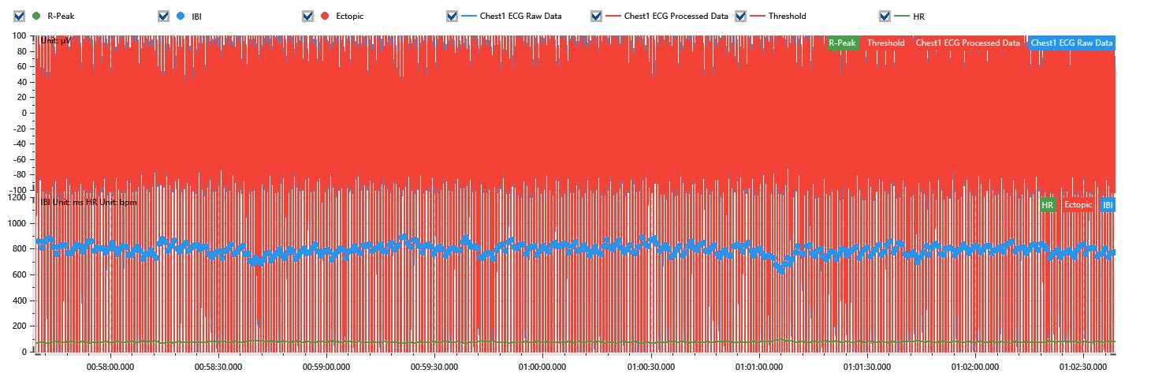

Process parameters
 | Filters
 | Wavlet filter | Enabled | 中
 | Amplitude normalization | Disabled | 中
 | High Pass filter | Enabled | 1μV
 | Band Stop filter | Enabled | 50μV
 | Low Pass filter | Enabled | 100μV
 | Interbeat Interval
 | R-Peak extraction | Maximum heart rate | 120bpm
 | R-Peak extraction | Threshold | 70%
 | Extopic detection | Percent | Disabled | 20%
 | Extopic detection | Median | Enabled | 4(samples)
 | Extopic correction | 中值 | 5(samples)

Time Domain
 | MeanIBI | MeanHR | SDNN | SDANN | RMSSD | SDSD | PNN50 | PNN20 | Data Length
 | 786.97ms | 76bpm | 42.26ms | 0ms | 38.57ms | 38.62ms | 22.43% | 68.87% | 380

Frequency Domain
 | Band | Range | Power | Power Percent | Power Normalized | Peak | Data Length
 | ULF | 0 - 0.0033Hz | 47.42ms² | 2.82% | 0 | 0Hz | 4
 | VLF | 0.0033 - 0.04Hz | 470.91ms² | 28.01% | 0 | 0Hz | 37
 | LF | 0.04 - 0.15Hz | 568.19ms² | 33.79% | 0.49 | 0.07Hz | 113
 | HF | 0.15 - 0.4Hz | 594.94ms² | 35.38% | 0.51 | 0.3Hz | 256

 | Total Power | 1681.46ms² | LF/HF | 0.96 | VLF/ULF | 0.1
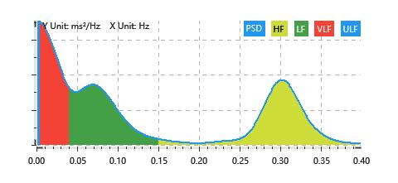

Nonlinear
 | Poincare | SD1 | 27.31ms | SD2 | 53.15ms
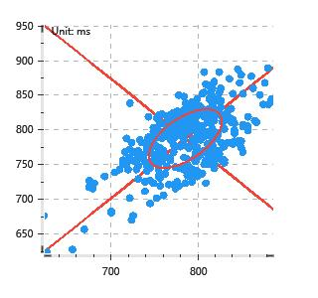

 | Scatter | A++ | 116 | B-- | 74

